Section 2
 |  |  |  |  | May-19 | Jun-19 | Jul-19 | Aug-19 | Sep-19 | Oct-19 | Nov-19 | Dec-19 | Jan-20 | Feb-20 | Mar-20 | Apr-20 | May-20 | Jun-20 | Jul-20 | Aug-20 | Sep-20 | Oct-20
 |  |  |  |  | 605,950 | 787,416 | 867,448 | 753,375 | 793,026 | 962,370 | 992,133 | 927,616 | 1,003,017 | 678,494 | 579,280 | 594,002 | 619,605 | 800,325 | 870,030 | 753,375 | 793,026 | 1,016,179
 |  |  |  |  |  |  | 788,380 | 793,033 | 794,944 | 795,344 | 795,913 | 797,020 | 797,665 | 797,773 | 797,773 | 800,015 | 804,568 | 810,021 | 817,628 | 824,226 | 829,293 | 835,641
 |  |  |  |  |  |  | 79,068 | -39,658 | -1,918 | 167,026 | 196,220 | 130,596 | 205,352 | -119,279 | -218,493 | -206,013 | -184,963 | -9,696 | 52,402 | -70,851 | -36,267 | 180,538

Time Series Sales (£)
 | Sales (£)
Jan-19 | 927,616
Feb-19 | 642,223
Mar-19 | 569,679
Apr-19 | 594,002
May-19 | 605,950
Jun-19 | 787,416
Jul-19 | 867,448
Aug-19 | 753,375
Sep-19 | 793,026
Oct-19 | 962,370
Nov-19 | 992,133
Dec-19 | 927,616
Jan-20 | 1,003,017
Feb-20 | 678,494
Mar-20 | 579,280
Apr-20 | 594,002
May-20 | 619,605
Jun-20 | 800,325
Jul-20 | 870,030
Aug-20 | 753,375
Sep-20 | 793,026
Oct-20 | 1,016,179
Nov-20 | 1,047,607
Dec-20 | 1,003,017
Jan-21 | 1,110,167
Feb-21 | 729,701
Mar-21 | 649,689
Apr-21 | 675,932
May-21 | 716,897
Jun-21 | 934,572
Jul-21 | 1,045,582
Aug-21 | 863,396
Sep-21 | 908,837
Oct-21 | 1,134,146
Nov-21 | 1,169,222
Dec-21 | 1,110,167
Jan-22 | 1,332,201
Feb-22 | 875,642
Mar-22 | 779,627
Apr-22 | 811,119
May-22 | 860,277
Jun-22 | 1,121,487
Jul-22 | 1,254,699
Aug-22 | 1,036,076
Sep-22 | 1,090,605
Oct-22 | 1,360,976
Nov-22 | 1,403,067
Dec-22 | 1,332,201
...
 |  |  |  |  |  | Seasonal Profile |  |  | Adj Seasonal Profile
 |  |  |  |  |  | Jan | 257,456 |  | Jan | 259,167
 |  |  |  |  |  | Feb | -139,032 |  | Feb | -137,321
 |  |  |  |  |  | Mar | -238,838 |  | Mar | -237,127
April |  | -206,013 | -220,781 | -246,271 |  | April | -224,355 |  | April | -222,644
May |  | -184,963 | -189,799 | -216,308 |  | May | -197,023 |  | May | -195,312
June |  | -9,696 | 18,344 | 25,907 |  | June | 11,518 |  | June | 13,229
July | 79,068 | 52,402 | 115,638 | 160,203 |  | July | 101,828 |  | July | 103,539
Aug | -39,658 | -70,851 | -81,880 |  |  | Aug | -64,129 |  | Aug | -62,418
Sept | -1,918 | -36,267 | -47,934 |  |  | Sept | -28,706 |  | Sept | -26,995
Oct | 167,026 | 180,538 | 166,328 |  |  | Oct | 171,298 |  | Oct | 173,009
Nov | 196,220 | 204,499 | 189,797 |  |  | Nov | 196,839 |  | Nov | 198,550
Dec | 130,596 | 150,261 | 116,980 |  |  | Dec | 132,612 |  | Dec | 134,324
 |  |  |  |  |  |  | -1,711 |  |  | 0
Winter Rock Historical Aggregate Sales with Centred Moving Average (12 Months)
 | Sales (£) | CMA (£)
Jan-19 | 927,616
Feb-19 | 642,223
Mar-19 | 569,679
Apr-19 | 594,002
May-19 | 605,950
Jun-19 | 787,416
Jul-19 | 867,448 | 788379.54167
Aug-19 | 753,375 | 793032.54167
Sep-19 | 793,026 | 794943.875
Oct-19 | 962,370 | 795343.91667
Nov-19 | 992,133 | 795912.875
Dec-19 | 927,616 | 797019.70833
Jan-20 | 1,003,017 | 797665.16667
Feb-20 | 678,494 | 797772.75
Mar-20 | 579,280 | 797772.75
Apr-20 | 594,002 | 800014.79167
May-20 | 619,605 | 804568.25
Jun-20 | 800,325 | 810021.375
Jul-20 | 870,030 | 817627.66667
Aug-20 | 753,375 | 824225.875
Sep-20 | 793,026 | 829293.20833
Oct-20 | 1,016,179 | 835640.66667
Nov-20 | 1,047,607 | 843108.25
Dec-20 | 1,003,017 | 852755.70833
Jan-21 | 1,110,167 | 865664
Feb-21 | 729,701 | 877562.875
Mar-21 | 649,689 | 886972.54167
Apr-21 | 675,932 | 896713.29167
May-21 | 716,897 | 906695.875
Jun-21 | 934,572 | 916227.75
Jul-21 | 1,045,582 | 929943.75
Aug-21 | 863,396 | 945276.04167
Sep-21 | 908,837 | 956771
Oct-21 | 1,134,146 | 967817.875
Nov-21 | 1,169,222 | 979424.83333
Dec-21 | 1,110,167 | 993187.125
Jan-22 | 1,332,201 | 1009688.4583
Feb-22 | 875,642 | 1025596.6667
Mar-22 | 779,627 | 1040365.3333
Apr-22 | 811,119 | 1057390.25
May-22 | 860,277 | 1076585.0417
Jun-22 | 1,121,487 | 1095580
Jul-22 | 1,254,699 | 1094496.4356
Aug-22 | 1,036,076
Sep-22 | 1,090,605
Oct-22 | 1,360,976
Nov-22 | 1,403,067
Dec-22 | 1,332,201
Annual Seasonal Profile
 | 2019 | 2020 | 2021 | 2022
 |  | 205,352 | 244,503 | 322,513
 |  | -119,279 | -147,862 | -149,955
 |  | -218,493 | -237,284 | -260,738
 |  | -206,013 | -220,781 | -246,271
 |  | -184,963 | -189,799 | -216,308
 |  | -9,696 | 18,344 | 25,907
 | 79068.458333 | 52,402 | 115,638 | 160,203
 | -39657.541667 | -70,851 | -81,880
 | -1917.875 | -36,267 | -47,934
 | 167026.08333 | 180,538 | 166,328
 | 196220.125 | 204,499 | 189,797
 | 130596.29167 | 150,261 | 116,980

Section 3
Workshop
Data |  |  | Artificial Time Series
Description |  |  | Stationary Time series, 48 observations, use 36 to build model and 12 to predict |  |  |  |  |  |  |  |  |  | input changes or model
...
Workshop
1 |  | t | 1 | 2 | 3 | 4 | 5 | 6 | 7 | 8 | 9 | 10 | 11 | 12 | 13 | 14 | 15 | 16 | 17 | 18 | 19
 |  | month | 2019-01-01 | 2019-02-01 | 2019-03-01 | 2019-04-01 | 2019-05-01 | 2019-06-01 | 2019-07-01 | 2019-08-01 | 2019-09-01 | 2019-10-01 | 2019-11-01 | 2019-12-01 | 2020-01-01 | 2020-02-01 | 2020-03-01 | 2020-04-01 | 2020-05-01 | 2020-06-01 | 2020-07-01
Original Data Value |  |  | 378052.0 | 395196.0 | 364619.0 | 383309.0 | 380548.0 | 375811.0 | 373479.0 | 377207.0 | 466521.0 | 427355.0 | 387079.0 | 420540.0 | 384777.0 | 365258.0 | 382275.0 | 430733.0 | 377794.0 | 396782.0 | 428280.0
1 |  | 70
Manual Correction
System (DP) corrected History |  |  | 378052.0 | 395196.0 | 364619.0 | 383309.0 | 380548.0 | 375811.0 | 373479.0 | 377207.0 | 466521.0 | 427355.0 | 387079.0 | 420540.0 | 384777.0 | 365258.0 | 382275.0 | 430733.0 | 377794.0 | 396782.0 | 428280.0

Time Series - Row VIII & Absolute Errors
 | AE | Test Data | Data value | Forecast in actual month
43466 |  |  | 378052
43497 | 17144 |  | 395196 | 378052
43525 | 14290.2 |  | 364619 | 378909.2
43556 | 5114.31 |  | 383309 | 378194.69
43586 | 2097.5945 |  | 380548 | 378450.4055
43617 | 2744.285225 |  | 375811 | 378555.28522
43647 | 4939.0709637 |  | 373479 | 378418.07096
43678 | 964.11741556 |  | 377207 | 378171.11742
43709 | 88398.088455 |  | 466521 | 378122.91154
43739 | 44812.184032 |  | 427355 | 382542.81597
43770 | 2295.5748308 |  | 387079 | 384783.42517
43800 | 35641.796089 |  | 420540 | 384898.20391
43831 | 1903.2937152 |  | 384777 | 386680.29372
43862 | 21327.129029 |  | 365258 | 386585.12903
43891 | 3243.7725779 |  | 382275 | 385518.77258
43922 | 45376.416051 |  | 430733 | 385356.58395
43952 | 9831.4047516 |  | 377794 | 387625.40475
43983 | 9648.165486 |  | 396782 | 387133.83451
44013 | 40663.757212 |  | 428280 | 387616.24279
44044 | 36903.430649 |  | 352746 | 389649.43065
44075 | 12372.259116 |  | 375432 | 387804.25912
44105 | 14776.353839 |  | 401962 | 387185.64616
44136 | 23939.463853 |  | 363985 | 387924.46385
44166 | 8118.49066 |  | 378609 | 386727.49066
44197 | 22659.433873 |  | 408981 | 386321.56613
44228 | 1195.5378206 |  | 386259 | 387454.53782
44256 | 2914.2390704 |  | 390309 | 387394.76093
44287 | 28421.527117 |  | 415962 | 387540.47288
44317 | 9921.549239 |  | 379040 | 388961.54924
44348 | 13361.471777 |  | 375104 | 388465.47178
44378 | 1042.6018118 |  | 388840 | 387797.39819
44409 | 30887.528279 |  | 356962 | 387849.52828
44440 | 23032.151865 |  | 363273 | 386305.15186
44470 | 27299.544272 |  | 357854 | 385153.54427
44501 | 16358.567058 |  | 367430 | 383788.56706
44531 | 3200.6387051 |  | 379770 | 382970.63871
44562 | 12910.60677 | 1 | 369900 | 382810.60677
44593 | 10710.076431 | 1 | 371455 | 382165.07643
44621 | 7216.4273902 | 1 | 388846 | 381629.57261
44652 | 652.60602071 | 1 | 382643 | 381990.39398
44682 | 7171.9757197 | 1 | 389195 | 382023.02428
44713 | 11247.623066 | 1 | 371134 | 382381.62307
44743 | 15025.241913 | 1 | 366794 | 381819.24191
44774 | 13427.241913 | 1 | 368392 | 381819.24191
44805 | 14373.758087 | 1 | 396193 | 381819.24191
44835 | 7813.241913 | 1 | 374006 | 381819.24191
44866 | 37721.758087 | 1 | 419541 | 381819.24191
44896 | 46460.758087 | 1 | 428280 | 381819.24191
Seasonal Diagram
 | Year 1 | Year 2 | Year 3 | Year 4
 | 378052 | 384777 | 408981 | 369900
 | 395196 | 365258 | 386259 | 371455
 | 364619 | 382275 | 390309 | 388846
 | 383309 | 430733 | 415962 | 382643
 | 380548 | 377794 | 379040 | 389195
 | 375811 | 396782 | 375104 | 371134
 | 373479 | 428280 | 388840 | 366794
 | 377207 | 352746 | 356962 | 368392
 | 466521 | 375432 | 363273 | 396193
 | 427355 | 401962 | 357854 | 374006
 | 387079 | 363985 | 367430 | 419541
 | 420540 | 378609 | 379770 | 428280

 |  | Time Series - Row VIII & Absolute Errors

Time Series |  | t | 1 | 2 | 3 | 4 | 5 | 6 | 7 | 8 | 9 | 10 | 11 | 12 | 13 | 14 | 15 | 16 | 17 | 18 | 19
Select row to plot: |  | Month | 2019-01-01 | 2019-02-01 | 2019-03-01 | 2019-04-01 | 2019-05-01 | 2019-06-01 | 2019-07-01 | 2019-08-01 | 2019-09-01 | 2019-10-01 | 2019-11-01 | 2019-12-01 | 2020-01-01 | 2020-02-01 | 2020-03-01 | 2020-04-01 | 2020-05-01 | 2020-06-01 | 2020-07-01
Row |  | Data value | 378052.0 | 395196.0 | 364619.0 | 383309.0 | 380548.0 | 375811.0 | 373479.0 | 377207.0 | 466521.0 | 427355.0 | 387079.0 | 420540.0 | 384777.0 | 365258.0 | 382275.0 | 430733.0 | 377794.0 | 396782.0 | 428280.0
I | Naive |  | 378052.0 | 395196.0 | 364619.0 | 383309.0 | 380548.0 | 375811.0 | 373479.0 | 377207.0 | 466521.0 | 427355.0 | 387079.0 | 420540.0 | 384777.0 | 365258.0 | 382275.0 | 430733.0 | 377794.0 | 396782.0 | 428280.0
II | Average |  | 378052.0 | 386624.0 | 379289.0 | 380294.0 | 380344.8 | 379589.2 | 378716.3 | 378527.6 | 388304.7 | 392209.7 | 391743.3 | 394143.0 | 393422.5 | 391410.8 | 390801.7 | 393297.4 | 392385.5 | 392629.7 | 394506.1
III | Moving Average 3 |  |  |  | 379289.0 | 381041.3 | 376158.7 | 379889.3 | 376612.7 | 375499.0 | 405735.7 | 423694.3 | 426985.0 | 411658.0 | 397465.3 | 390191.7 | 377436.7 | 392755.3 | 396934.0 | 401769.7 | 400952.0
IV | Moving Average 6 |  |  |  |  |  |  | 379589.2 | 378827.0 | 375828.8 | 392812.5 | 400153.5 | 401242.0 | 408696.8 | 410579.8 | 408588.3 | 394547.3 | 395110.3 | 393562.8 | 389603.2 | 396853.7
V | Moving Average 9 |  |  |  |  |  |  |  |  |  | 388304.7 | 393782.8 | 392880.9 | 399094.3 | 399257.4 | 397558.6 | 398276.8 | 404638.3 | 404703.6 | 396954.8 | 397057.6
VI | Moving Average 12 |  |  |  |  |  |  |  |  |  |  |  |  | 394143.0 | 394703.4 | 392208.6 | 393679.9 | 397631.9 | 397402.4 | 399150.0 | 403716.8
...

Section 5
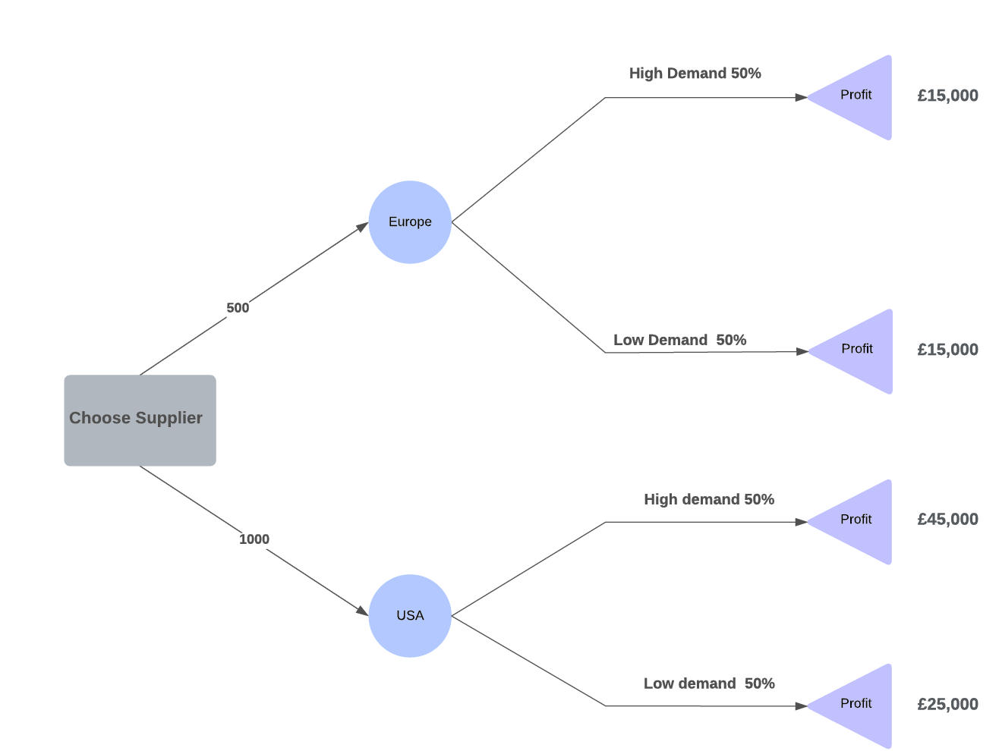
Column1 | EUROPE | USA
Labour Cost | £60 | £30
Shipping Cost | £40 | £40
Material Cost | £20 | £30
Supplier Capacity | 500 | 1000
Min Charge | 0 | £5,000

New Ski Price (selling price) | £150

Unit Cost | Europe Supplier | USA Supplier
 | £120 | £100

Profit Calculation
(High Demand)
Total Revenue |  | £150,000
Total Cost |  | £105,000
PROFIT |  | £45,000
(Low Demand)
Total Revenue | £75,000 | £75,000
Total Cost | £60,000 | £55,000
PROFIT | £15,000 | £20,000

£20,000
EXPECTED VALUE
 | High Demand (1000 units) | Low Demand (500 units)
Europe | £15,000 | £15,000
USA | £45,000 | £20,000

Probability | 50% | 50%

Expected Profit | £15,000 | £32,500

